Screen Details
Detailed Screen-by-Screen WCAG Audit
# | Screen Label | Annotated Screenshot | Activity | PASS | FAIL | Cannot Verify | Pass Rate | Status
1 | Screen-01 (iLearn App) | 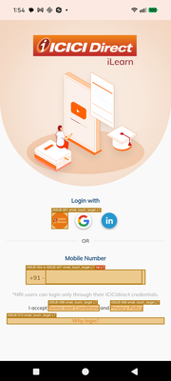 state_2026-03-17_135406_annotated.png | com.android.searchlauncher.SearchLauncher | 6 | 10 | 0 | 37.5% | FAIL
2 | Screen-02 (iLearn App) | 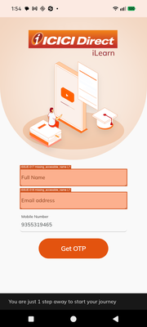 state_2026-03-17_135409_annotated.png | com.android.searchlauncher.SearchLauncher | 1 | 4 | 0 | 20.0% | FAIL
3 | Screen-03 (iLearn App) | 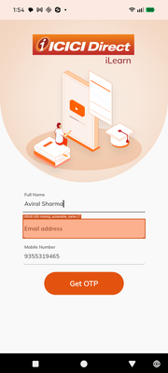 state_2026-03-17_135417_annotated.png | com.android.searchlauncher.SearchLauncher | 2 | 2 | 0 | 50.0% | FAIL
4 | Screen-04 (iLearn App) | 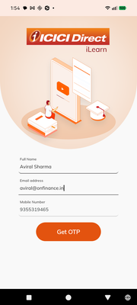 state_2026-03-17_135422_annotated.png | com.android.searchlauncher.SearchLauncher | 3 | 0 | 0 | 100.0% | PASS
5 | Screen-05 (iLearn App) | 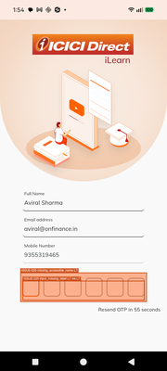 state_2026-03-17_135435_annotated.png | com.android.searchlauncher.SearchLauncher | 2 | 3 | 0 | 40.0% | FAIL
6 | Screen-06 (iLearn App) | 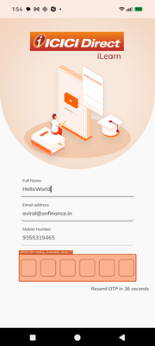 state_2026-03-17_135454_annotated.png | com.android.searchlauncher.SearchLauncher | 2 | 3 | 0 | 40.0% | FAIL
7 | Screen-07 (iLearn App) | 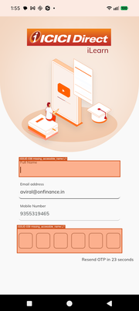 state_2026-03-17_135507_annotated.png | com.android.searchlauncher.SearchLauncher | 1 | 5 | 0 | 16.7% | FAIL
8 | Screen-08 (iLearn App) | 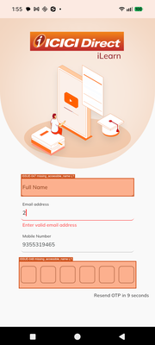 state_2026-03-17_135520_annotated.png | com.android.searchlauncher.SearchLauncher | 1 | 5 | 0 | 16.7% | FAIL
9 | Screen-09 (iLearn App) | 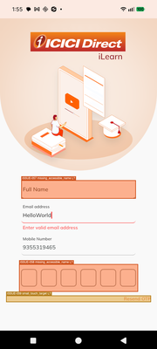 state_2026-03-17_135552_annotated.png | com.android.searchlauncher.SearchLauncher | 2 | 6 | 0 | 25.0% | FAIL
10 | Screen-10 (iLearn App) | 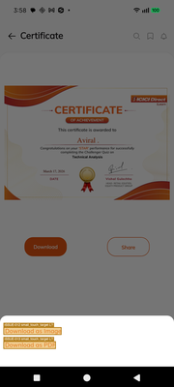 state_2026-03-17_155824_annotated.png | com.google.android.finsky.activities.MainActivity | 15 | 10 | 0 | 60.0% | PASS
11 | Screen-11 (iLearn App) | 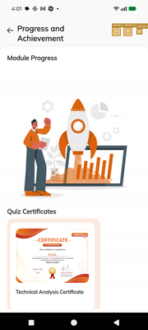 state_2026-03-17_160139_annotated.png | com.google.android.finsky.activities.MainActivity | 2 | 9 | 0 | 18.2% | FAIL
12 | Screen-12 (iLearn App) | 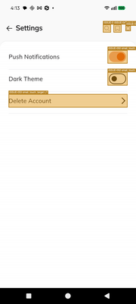 state_2026-03-17_161329_annotated.png | com.google.android.finsky.activities.MainActivity | 2 | 18 | 0 | 10.0% | FAIL
13 | Screen-13 (iLearn App) | 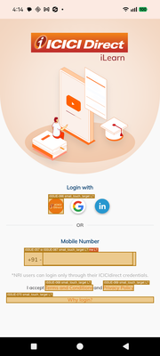 state_2026-03-17_161412_annotated.png | com.google.android.finsky.activities.MainActivity | 6 | 10 | 0 | 37.5% | FAIL
14 | Screen-14 (iLearn App) | 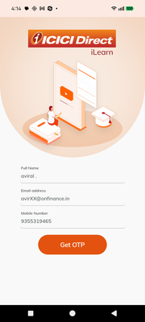 state_2026-03-17_161439_annotated.png | com.google.android.finsky.activities.MainActivity | 1 | 0 | 0 | 100.0% | PASS
15 | Screen-15 (iLearn App) |  state_2026-03-17_161510_annotated.png | com.google.android.finsky.activities.MainActivity | 0 | 3 | 0 | 0.0% | FAIL
16 | Screen-16 (iLearn App) | 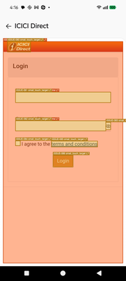 state_2026-03-17_161644_annotated.png | com.google.android.finsky.activities.MainActivity | 1 | 1 | 0 | 50.0% | FAIL
17 | Screen-17 (iLearn App) | 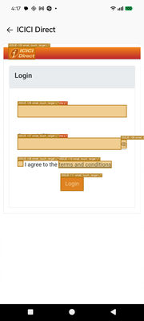 state_2026-03-17_161709_annotated.png | com.google.android.finsky.activities.MainActivity | 5 | 13 | 0 | 27.8% | FAIL
18 | Screen-18 (iLearn App) | 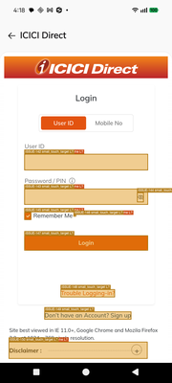 state_2026-03-17_161829_annotated.png | com.google.android.finsky.activities.MainActivity | 4 | 20 | 0 | 16.7% | FAIL
19 | Screen-19 (iLearn App) | 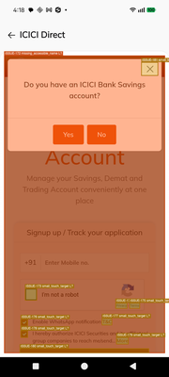 state_2026-03-17_161839_annotated.png | com.google.android.finsky.activities.MainActivity | 12 | 14 | 0 | 46.2% | FAIL
20 | Screen-20 (iLearn App) | 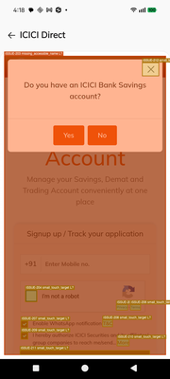 state_2026-03-17_161846_annotated.png | com.google.android.finsky.activities.MainActivity | 12 | 14 | 0 | 46.2% | FAIL
21 | Screen-21 (iLearn App) |  state_2026-03-17_161903_annotated.png | com.google.android.finsky.activities.MainActivity | 12 | 14 | 0 | 46.2% | FAIL
22 | Screen-22 (iLearn App) |  state_2026-03-17_161918_annotated.png | com.google.android.finsky.activities.MainActivity | 12 | 14 | 0 | 46.2% | FAIL
23 | Screen-23 (iLearn App) |  state_2026-03-17_161928_annotated.png | com.google.android.finsky.activities.MainActivity | 12 | 14 | 0 | 46.2% | FAIL
24 | Screen-24 (iLearn App) |  state_2026-03-17_161936_annotated.png | com.google.android.finsky.activities.MainActivity | 12 | 14 | 0 | 46.2% | FAIL
25 | Screen-25 (iLearn App) |  state_2026-03-17_162005_annotated.png | com.google.android.finsky.activities.MainActivity | 12 | 14 | 0 | 46.2% | FAIL
26 | Screen-26 (iLearn App) | 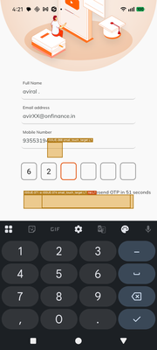 state_2026-03-17_162126_annotated.png | com.google.android.finsky.activities.MainActivity | 3 | 7 | 0 | 30.0% | FAIL
27 | Screen-27 (iLearn App) | 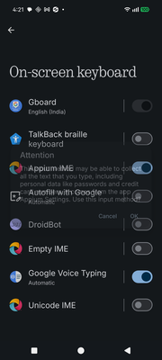 state_2026-03-17_162139_annotated.png | com.google.android.finsky.activities.MainActivity | 2 | 0 | 0 | 100.0% | PASS
28 | Screen-28 (iLearn App) | 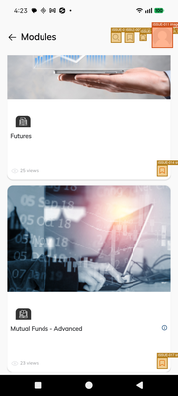 state_2026-03-17_162322_annotated.png | com.google.android.finsky.activities.MainActivity | 15 | 61 | 0 | 19.7% | FAIL
29 | Screen-29 (iLearn App) | 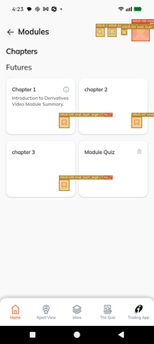 state_2026-03-17_162337_annotated.png | com.google.android.finsky.activities.MainActivity | 6 | 11 | 0 | 35.3% | FAIL
30 | Screen-30 (iLearn App) | 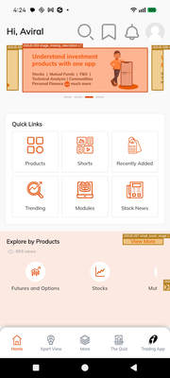 state_2026-03-17_162414_annotated.png | com.google.android.finsky.activities.MainActivity | 19 | 11 | 0 | 63.3% | PASS
31 | Screen-31 (iLearn App) | 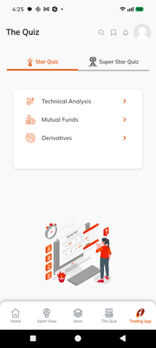 screen_2026-03-17_162534.png | com.android.searchlauncher.SearchLauncher | 63 | 74 | 0 | 46.0% | FAIL
32 | Screen-32 (iLearn App) | 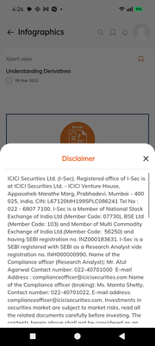 screen_2026-03-17_162629.png | com.android.searchlauncher.SearchLauncher | 1 | 2 | 0 | 33.3% | FAIL
33 | Screen-33 (iLearn App) | 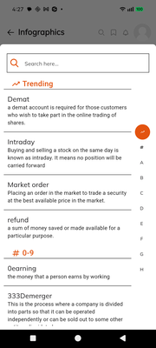 screen_2026-03-17_162707.png | com.android.searchlauncher.SearchLauncher | 45 | 46 | 0 | 49.5% | FAIL
34 | Screen-34 (iLearn App) | 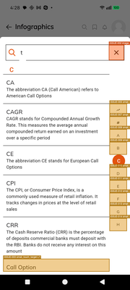 state_2026-03-17_162823_annotated.png | com.android.searchlauncher.SearchLauncher | 24 | 24 | 0 | 50.0% | FAIL
35 | Screen-35 (iLearn App) | 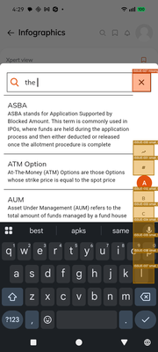 state_2026-03-17_162926_annotated.png | com.android.searchlauncher.SearchLauncher | 8 | 9 | 0 | 47.1% | FAIL
36 | Screen-36 (iLearn App) | 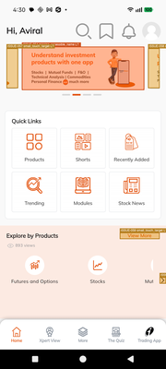 state_2026-03-17_163008_annotated.png | com.android.searchlauncher.SearchLauncher | 95 | 55 | 0 | 63.3% | PASS
37 | Screen-37 (iLearn App) | 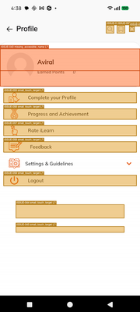 state_2026-03-17_163813_annotated.png | com.android.searchlauncher.SearchLauncher | 6 | 26 | 0 | 18.8% | FAIL
38 | Screen-38 (iLearn App) | 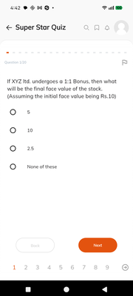 screen_2026-03-17_164210.png | com.android.searchlauncher.SearchLauncher | 65 | 116 | 0 | 35.9% | FAIL
39 | Screen-39 (iLearn App) | 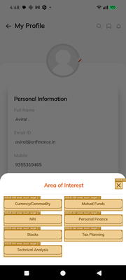 state_2026-03-17_164803_annotated.png | com.android.searchlauncher.SearchLauncher | 20 | 17 | 0 | 54.1% | FAIL
40 | Screen-40 (iLearn App) |  state_2026-03-17_164903_annotated.png | com.android.searchlauncher.SearchLauncher | 1 | 1 | 0 | 50.0% | FAIL
41 | Screen-41 (iLearn App) |  state_2026-03-17_164920_annotated.png | com.android.searchlauncher.SearchLauncher | 5 | 13 | 0 | 27.8% | FAIL
42 | Screen-42 (iLearn App) | 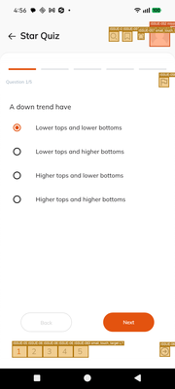 state_2026-03-17_165652_annotated.png | com.android.searchlauncher.SearchLauncher | 36 | 63 | 0 | 36.4% | FAIL
43 | Screen-43 (iLearn App) | 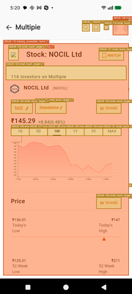 state_2026-03-17_172002_annotated.png | com.android.searchlauncher.SearchLauncher | 16 | 100 | 0 | 13.8% | FAIL
44 | Screen-44 (iLearn App) | 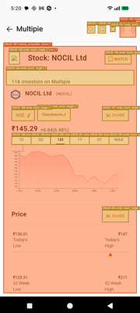 state_2026-03-17_172017_annotated.png | com.android.searchlauncher.SearchLauncher | 17 | 67 | 0 | 20.2% | FAIL
45 | Screen-45 (iLearn App) | 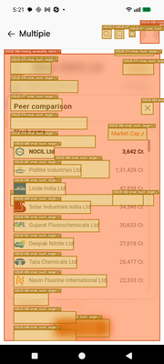 state_2026-03-17_172134_annotated.png | com.android.searchlauncher.SearchLauncher | 24 | 46 | 0 | 34.3% | FAIL
46 | Screen-46 (iLearn App) | 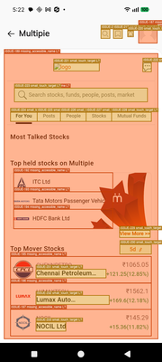 state_2026-03-17_172230_annotated.png | com.android.searchlauncher.SearchLauncher | 7 | 49 | 0 | 12.5% | FAIL
47 | Screen-47 (iLearn App) | 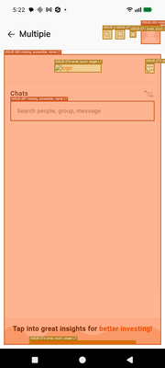 state_2026-03-17_172248_annotated.png | com.android.searchlauncher.SearchLauncher | 4 | 20 | 0 | 16.7% | FAIL
48 | Screen-48 (iLearn App) | 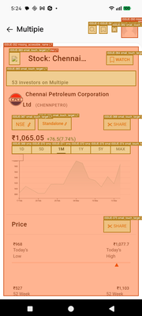 state_2026-03-17_172415_annotated.png | com.android.searchlauncher.SearchLauncher | 3 | 17 | 0 | 15.0% | FAIL
49 | Screen-49 (iLearn App) |  state_2026-03-17_172431_annotated.png | com.android.searchlauncher.SearchLauncher | 6 | 37 | 0 | 14.0% | FAIL
50 | Screen-50 (iLearn App) | 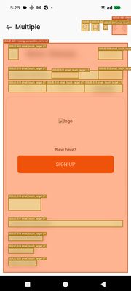 state_2026-03-17_172538_annotated.png | com.android.searchlauncher.SearchLauncher | 7 | 37 | 0 | 15.9% | FAIL
51 | Screen-51 (iLearn App) | 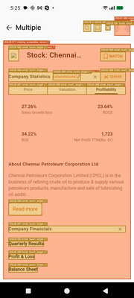 state_2026-03-17_172557_annotated.png | com.android.searchlauncher.SearchLauncher | 9 | 40 | 0 | 18.4% | FAIL
52 | Screen-52 (iLearn App) | 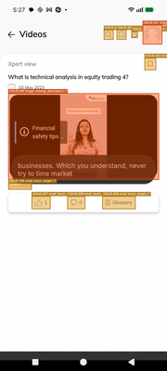 state_2026-03-17_172734_annotated.png | com.android.searchlauncher.SearchLauncher | 29 | 79 | 0 | 26.9% | FAIL
53 | Screen-53 (YouTube Video Player) | 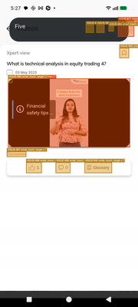 state_2026-03-17_172752_annotated.png | com.android.searchlauncher.SearchLauncher | 7 | 26 | 0 | 21.2% | FAIL

